Script
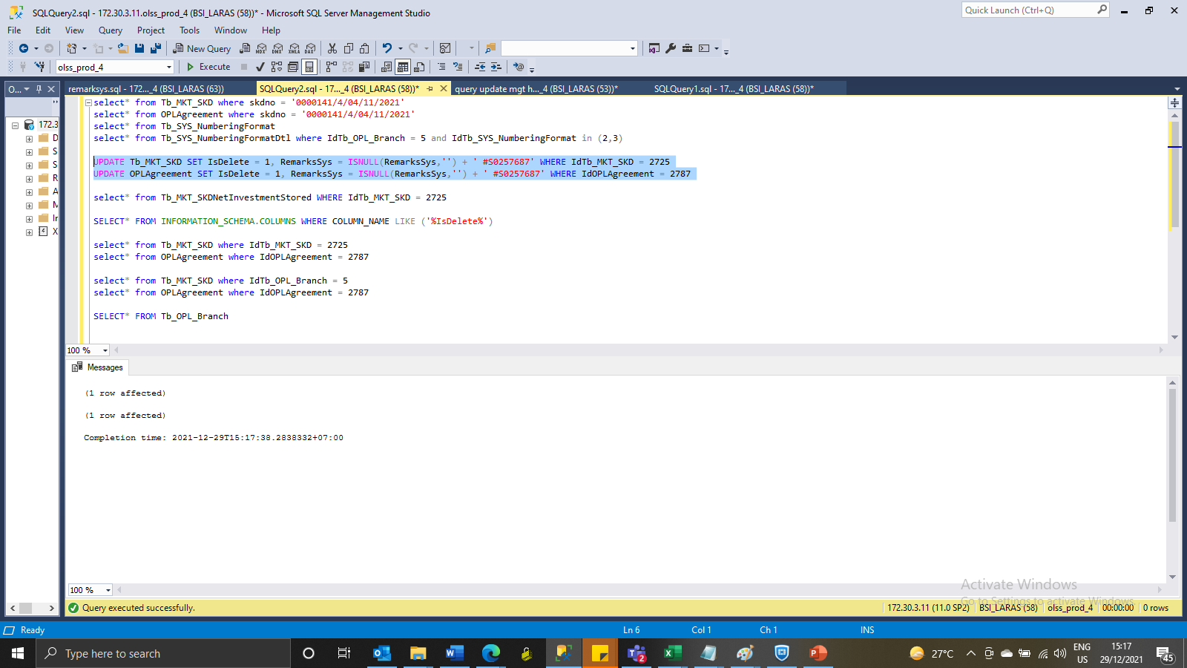
UPDATE Tb_MKT_SKD SET IsDelete = 1, RemarksSys = ISNULL(RemarksSys,'') + ' #S0257687' WHERE IdTb_MKT_SKD = 2725
UPDATE OPLAgreement SET IsDelete = 1, RemarksSys = ISNULL(RemarksSys,'') + ' #S0257687' WHERE IdOPLAgreement = 2787

SS
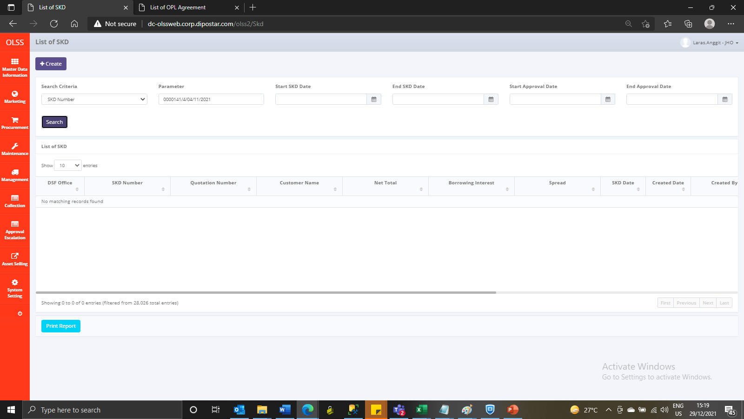
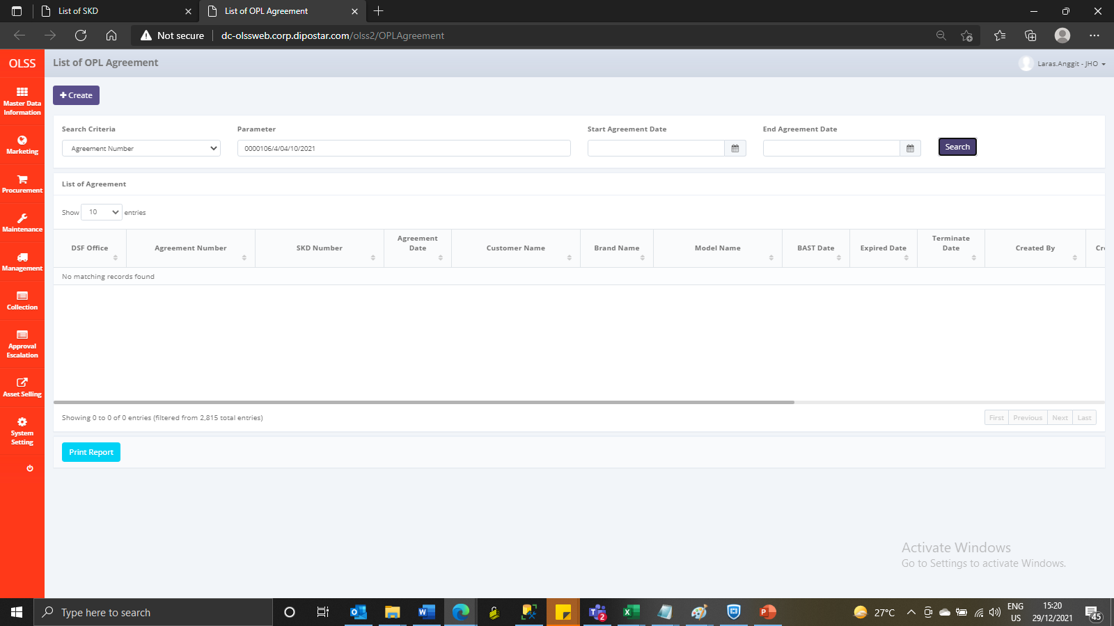
BEFORE
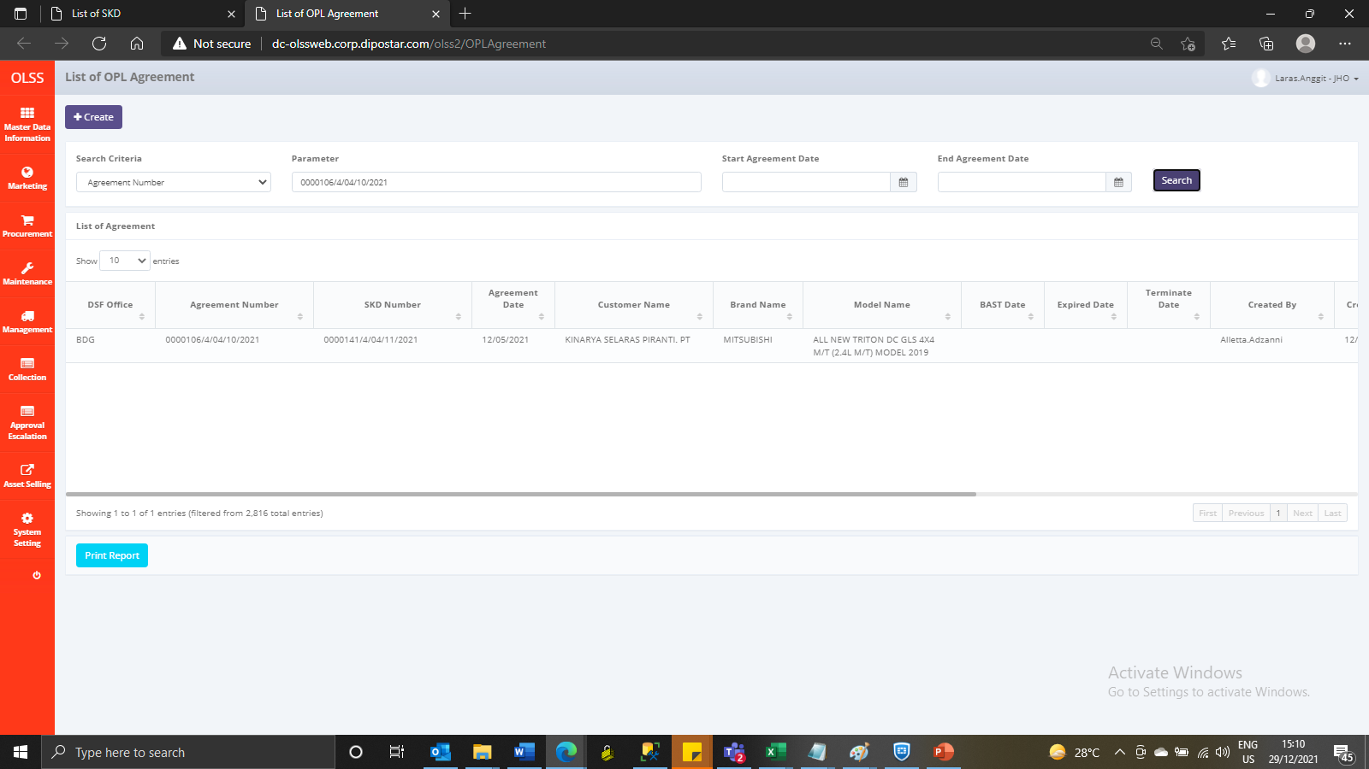
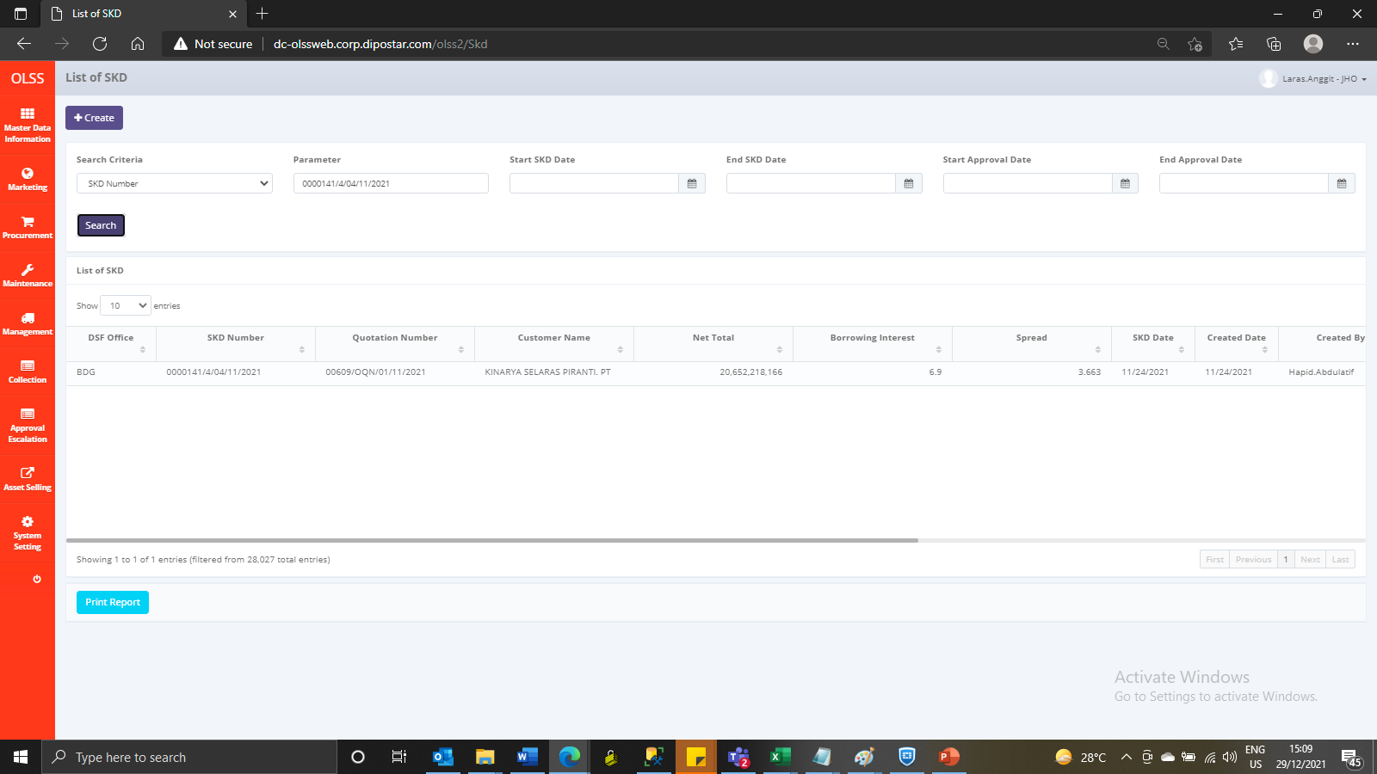

AFTER

